Map 6
Map 6 | Start state = [1, 1, 0, 1]
 | Goal state = [12, 2, 6, 0]
 | state [row,col,theta,speed]
 | Wind = [wind_x, wind_y] = [0.2,0] | time distribution [sec] | ε = 1 | ε = 1.1 | ε = 1.3 | ε = 1.5 | ε = 2 | ε = 4 |  | T* | T*-ε ε= 1.1 | T*-ε ε= 1.3 | T*-ε ε= 1.5 | T*-ε ε= 2 | T*-ε ε= 4
 |  | low speed Dubins |  | 0.118 | 0.118 | 0.118 | 0.118 | 0.118 | Cost [sec] |  | 46.3674 | 48.85 | 48.85 | 48.85 | 48.85
 |  | time optimal transitions |  | 200.709 | 90.4926 | 32.6885 | 27.5484 | 28.2568 | Runtine [sec] | 0 | 201.6258 | 91.17417 | 33.052061 | 28.049882 | 28.81779
 |  | T*-ε |  | 0.7988 | 0.56357 | 0.245561 | 0.383482 | 0.44299
 |  | total | 0 | 201.6258 | 91.17417 | 33.052061 | 28.049882 | 28.81779

 |  | Number of time-optimal transitions | ε = 1 | ε = 1.1 | ε = 1.3 | ε = 1.5 | ε = 2 | ε = 4
 |  | low speed Dubins | 7 | 7 | 7 | 7 | 7 | 7
 |  | T*-ε | 512 | 263 | 112 | 38 | 29 | 29

 | ε
 | 1
 | 1.1
 | 1.3
 | 1.5
 | 2
 | 4
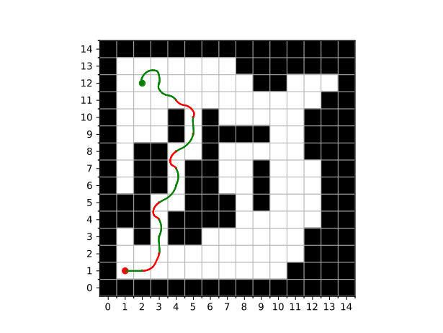
 | Relative | time distribution [sec] | ε = 1 | ε = 1.1 | ε = 1.3 | ε = 1.5 | ε = 2 | ε = 4
 |  | low speed Dubins | #DIV/0! | 0.0005852425632 | 0.0012942262046 | 0.0035701253244 | 0.0042067913156 | 0.0040946928963
 |  | time optimal transitions | #DIV/0! | 0.99545296286 | 0.99252452751 | 0.98900035311 | 0.98212177862 | 0.98053320536
 |  | T*-ε | #DIV/0! | 0.0039617945719 | 0.0061812462894 | 0.007429521566 | 0.013671430062 | 0.015372101747
 |  | total | #DIV/0! | 1 | 1 | 1 | 1 | 1

 | Map 6 | Map 6
4 |  | 0
 | 46.3674 | 201.6258
 | 48.85 | 91.17417
 | 48.85 | 33.052061
 | 48.85 | 28.049882
 | 48.85 | 28.81779

